Sale of 33.006 Acres
ACREAGE SOLD: 33.006 acres

Unit | Dept | Account | EC | Project | Location | Activity | Affiliate | BU Amount | Journal ID | DelivDt-PO | Period | Year | Source Type | Sys Source | Descr
TRN | 515660 | 1070000 | 856 | 0PT44078 | 0000 | 0000 |  | (275,970.57) | BIBI954980 |  | 3 | 2021 | CIAC | BIL | CIAC-Sale of Oncor Facilities

Cost of Land:

 |  |  |  |  |  |  |  |  |  |  |  |  |  |  |  |  |  |  |  |  | Deed
Unit | Asset ID | CnstrWrkLc | Descr | Account | Func code | Plant Acct | Sub Acct | Prop Unit | Descr | Trans Type | Project | Vntg Yr | Gross Amt | Net Amt | CIAC Amt | AFUDC Amt | Qty | Posted | Reference | Descr | Easement | Veh Class
TRN | 00624624 | 0500503 | Jacksboro-Denton, West 345 KV | 1010201 | T R | 349 | 7000 | 0010 | FEE LAND | AD | 06T80031 | 2006 | 2,189,239.30 | 2,189,239.30 | 0 | 0 | 1 | 2006-12-31 |  | BATCH UNITIZATION | 5493
TRN | 00624624 | 0500503 | Jacksboro-Denton, West 345 KV | 1010201 | T R | 349 | 7000 | 0010 | FEE LAND | AD | 06T80031 | 2006 | (2,189,239.30) | (2,189,239.30) | 0 | 0 | -1 | 2007-03-31 |  | BATCH UNITIZATION REVERSAL | 5493
TRN | 00624624 | 0500503 | Jacksboro-Denton, West 345 KV | 1010201 | T R | 349 | 7000 | 0010 | FEE LAND | AD | 06T80031 | 2006 | 1,068,567.70 | 1,068,567.70 | 0 | 0 | 20.69 | 2007-03-31 |  | BATCH UNITIZATION | 5493
TRN | 00624624 | 0500503 | Jacksboro-Denton, West 345 KV | 1010201 | T R | 349 | 7000 | 0010 | FEE LAND | SA | 06T80031 | 2007 | (505,787.52) | (505,787.52) | 0 | 0 | 0 | 2007-08-31 |  | BATCH UNITIZATION | 5493
TRN | 00624624 | 0500503 | Jacksboro-Denton, West 345 KV | 1010201 | T R | 349 | 7000 | 0010 | FEE LAND | TI |  | 2006 | 1,120,671.60 | 1,120,671.60 | 0 | 0 | 23.39 | 2011-05-31 | 06T80031 | TRANSFER IN ALL VINTAGE YEARS | 5493
TRN | 00624624 | 0500503 | Jacksboro-Denton, West 345 KV | 1010201 | T R | 349 | 7000 | 0010 | FEE LAND | MA |  | 2006 | - | - | 0 | 0 | 32.51 | 2011-05-31 |  | Adj acreage to 76.59 per Wayne Wright | 5493
TRN | 00624624 | 0500503 | Jacksboro-Denton, West 345 KV | 1010201 | T R | 349 | 7000 | 0010 | FEE LAND | TI |  | 2007 | (530,449.99) | (530,449.99) | 0 | 0 | 0 | 2011-05-31 | 06T80031 | TRANSFER IN ALL VINTAGE YEARS | 5493
TRN | 00624624 | 0500503 | Jacksboro-Denton, West 345 KV | 1010201 | T R | 349 | 7000 | 0010 | FEE LAND | RT | 08T80061 | 2006 | (389,483.94) | (389,483.94) | 0 | 0 | -13.626 | 2011-06-30 | JUN 2011 | SALE OF 13.626 ACRES | 5493
TRN | 00624624 | 0500503 | Jacksboro-Denton, West 345 KV | 1010201 | T R | 349 | 7000 | 0010 | FEE LAND | RV | 08T80061 | 2007 | 184,355.30 | 184,355.30 | 0 | 0 | 0 | 2011-06-30 | JUN 2011 | SALE OF 13.626 ACRES | 5493
TRN | 00624624 | 0500503 | Jacksboro-Denton, West 345 KV | 1010201 | T R | 349 | 7000 | 0010 | FEE LAND | RV | 08T80061 | 2006 | 389,483.94 | 389,483.94 | 0 | 0 | 13.626 | 2011-07-31 | CORRECT | REVERSE RT TO XFER EASEMENT | 5493
TRN | 00624624 | 0500503 | Jacksboro-Denton, West 345 KV | 1010201 | T R | 349 | 7000 | 0010 | FEE LAND | RT | 08T80061 | 2006 | (184,355.30) | (184,355.30) | 0 | 0 | 0 | 2011-07-31 | CORRECT | REVERSE RV FOR EASEMENT | 5493
TRN | 00624624 | 0500503 | Jacksboro-Denton, West 345 KV | 1010201 | T R | 349 | 7000 | 0010 | FEE LAND | MA |  | 2006 | 184,355.30 | 184,355.30 | 0 | 0 | 0 | 2011-07-31 |  | CORRECT VINTAGE ON RV | 5493
TRN | 00624624 | 0500503 | Jacksboro-Denton, West 345 KV | 1010201 | T R | 349 | 7000 | 0010 | FEE LAND | TO |  | 2006 | (292,112.96) | (292,112.96) | 0 | 0 | 0 | 2011-07-31 | 08T80061 | XFER TO EASEMENT 272866 | 5493
TRN | 00624624 | 0500503 | Jacksboro-Denton, West 345 KV | 1010201 | T R | 349 | 7000 | 0010 | FEE LAND | RT | 08T80061 | 2006 | (97,370.98) | (97,370.98) | 0 | 0 | -13.626 | 2011-07-31 | 08T80061 | SALE OF 13.626 ACRES AFTER EASEMENT | 5493
TRN | 00624624 | 0500503 | Jacksboro-Denton, West 345 KV | 1010201 | T R | 349 | 7000 | 0010 | FEE LAND | TI |  | 2006 | 292,112.96 | 292,112.96 | 0 | 0 | 4.242 | 2011-07-31 | 08T80061 | TRANSFER IN ALL VINTAGE YEARS | 5493
TRN | 00624624 | 0500503 | Jacksboro-Denton, West 345 KV | 1010201 | T R | 349 | 7000 | 0010 | FEE LAND | TO |  | 2006 | (90,939.61) | (90,939.61) | 0 | 0 | -4.242 | 2011-07-31 | 08T80061 | XFER EASEMENT 272866 | 5493
TRN | 00624624 | 0500503 | Jacksboro-Denton, West 345 KV | 1010201 | T R | 349 | 7000 | 0010 | FEE LAND | RT | 08T80061 | 2006 | (201,173.35) | (201,173.35) | 0 | 0 | 0 | 2011-07-31 | CORRECT | CORRECT RT FOR EASEMENT | 5493
TRN | 00624624 | 0500503 | Jacksboro-Denton, West 345 KV | 1010201 | T R | 349 | 7000 | 0010 | FEE LAND | MA |  | 2007 | (184,355.30) | (184,355.30) | 0 | 0 | 0 | 2011-07-31 |  | CORRECT VINTAGE ON RV CORRECTION | 5493
TRN | 00624624 | 0500503 | Jacksboro-Denton, West 345 KV | 1010201 | T R | 349 | 7000 | 0010 | FEE LAND | TO |  | 2007 | 138,266.48 | 138,266.48 | 0 | 0 | 0 | 2011-07-31 | 08T80061 | XFER TO EASEMENT 272866 | 5493
TRN | 00624624 | 0500503 | Jacksboro-Denton, West 345 KV | 1010201 | T R | 349 | 7000 | 0010 | FEE LAND | RV | 08T80061 | 2007 | 46,088.82 | 46,088.82 | 0 | 0 | 0 | 2011-07-31 | 08T80061 | SALES 13.626 ACRES AFTER EASEMENT | 5493
TRN | 00624624 | 0500503 | Jacksboro-Denton, West 345 KV | 1010201 | T R | 349 | 7000 | 0010 | FEE LAND | TI |  | 2007 | (138,266.48) | (138,266.48) | 0 | 0 | 0 | 2011-07-31 | 08T80061 | TRANSFER IN ALL VINTAGE YEARS | 5493
TRN | 00624624 | 0500503 | Jacksboro-Denton, West 345 KV | 1010201 | T R | 349 | 7000 | 0010 | FEE LAND | TO |  | 2007 | 43,044.65 | 43,044.65 | 0 | 0 | 0 | 2011-07-31 | 08T80061 | XFER EASEMENT 272866 | 5493
TRN | 00624624 | 0500503 | Jacksboro-Denton, West 345 KV | 1010201 | T R | 349 | 7000 | 0010 | FEE LAND | RV | 08T80061 | 2007 | 95,221.83 | 95,221.83 | 0 | 0 | 0 | 2011-07-31 | CORRECT | CORRECT RT FOR EASEMENT | 5493
TRN | 00624624 | 0500503 | Jacksboro-Denton, West 345 KV | 1010201 | T R | 349 | 7000 | 0010 | FEE LAND | RT | 14T80003 | 2006 | (852,742.86) | (852,742.86) | 0 | 0 | -29.833 | 2014-02-28 | SALE | SALE OF 29.833 ACRES | 5493
TRN | 00624624 | 0500503 | Jacksboro-Denton, West 345 KV | 1010201 | T R | 349 | 7000 | 0010 | FEE LAND | RV | 14T80003 | 2007 | 403,630.68 | 403,630.68 | 0 | 0 | 0 | 2014-02-28 | SALE | SALE OF 29.833 ACRES | 5493
TRN | 00624624 | 0500503 | Jacksboro-Denton, West 345 KV | 1010201 | T R | 349 | 7000 | 0010 | FEE LAND | MA |  | 2006 | - | - | 0 | 0 | -0.0082 | 2020-12-31 |  | ADJUST ACREAGE TO SURVEY | 5493
TRN | 00624624 | 0500503 | Jacksboro-Denton, West 345 KV | 1010201 | T R | 349 | 7000 | 0010 | FEE LAND | MA |  | 2006 | - | - | 0 | 0 | -0.0738 | 2020-12-31 |  | ADJUST ACREAGE TO SURVEY | 5493
TRN | 00624624 | 0500503 | Jacksboro-Denton, West 345 KV | 1010201 | T R | 349 | 7000 | 0010 | FEE LAND | TO |  | 2007 | (96,663.46) | (96,663.46) | 0 | 0 | 0 |  | 0PT44078 | To transfer 80% of easement value of 7.996 acres | 5493
TRN | 00624624 | 0500503 | Jacksboro-Denton, West 345 KV | 1010201 | T R | 349 | 7000 | 0010 | FEE LAND | TO |  | 2007 | (120,829.32) | (120,829.32) | 0 | 0 | 0 |  | Land ROW | To transfer 7.996 Acres of Land to Right of Way | 5493
TRN | 00624624 | 0500503 | Jacksboro-Denton, West 345 KV | 1010201 | T R | 349 | 7000 | 0010 | FEE LAND | TO |  | 2007 | 120,829.32 | 120,829.32 | 0 | 0 | 0 |  | Land ROW | To reverse previous transfer | 5493
 |  |  |  |  |  |  |  |  |  |  |  |  |  |  |  |  | -0.043 | Adjust acreage to match the survery so we can calculate how much dollars to move to easement. We will not adjust the quantity in FIM since we will retire the whole land

 |  |  |  |  |  |  |  |  |  |  |  |  |  | 402,097.51 |  |  | 33.006

 |  |  |  |  |  |  |  |  |  |  |  |  |  | 12,182.56 | Cost per Acre
 |  |  |  |  |  |  |  |  |  |  |  |  |  | 402,097.51 | Cost of Land Sold | 33.006 | Acres

Calculation of Gain/Loss: |  |  |  |  |  |  |  |  |  |  |  |  |  | Cost of Land | 498,760.97
 |  |  |  |  |  |  |  |  |  |  |  |  |  | Cost per Acre | 15,111.22 |  |  | 33.006 | Total acreage

 |  | (275,970.57) |  | Gross Proceeds |  |  |  |  |  |  |  |  |  |  | 64,101.80 |  |  |  | 4.242
 |  | - |  | <Removal Cost> |  |  |  |  |  |  |  |  |  |  | 56,727.52 |  |  |  | 3.754
 |  | (275,970.57) |  | Net Proceeds |  |  |  |  |  |  |  |  |  | Cost of land under easements | 120,829.32 |  |  |  | 7.996
 |  | 402,097.51 |  | <Cost of Land Sold> |  |  |  |  |  |  |  |  |  | Easement Value = 80% of land | 96,663.46
 |  | 126,126.94 |  | Gain (Neg) or Loss (Pos)
 |  |  |  |  |  |  |  |  |  |  |  |  |  |  | 402,097.51 | New book cost of land being sold
 |  |  |  |  |  |  |  |  |  |  |  |  |  |  | (275,970.57) | Proceeds
 |  |  |  |  |  |  |  |  |  |  |  |  |  |  | 126,126.94 | Loss
Journal Entry:

Loss if Debit

BU | DeptID | Account | EC | Project | Location | Activity | Affiliate | Amount | Reference | Description
TRN | 515660 | 4210200 | 000 | 0PT44078 | 0000 | 0000 |  | 126,126.94 |  | Loss on Sale of 33.006 Acres
TRN | 515660 | 1084201 | 941 | 0PT44078 | 0000 | 0000 |  | (126,126.94) |  | Loss on Sale of 33.006 Acres

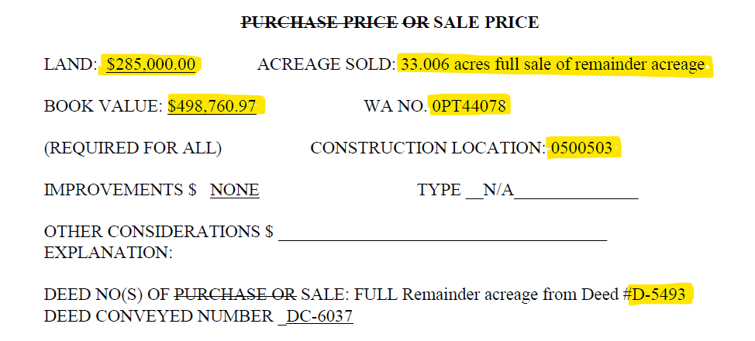

Calculation of Gain/Loss:

 |  | (6,110.74) |  | Gross Proceeds
 |  | - |  | <Removal Cost>
 |  | (6,110.74) |  | Net Proceeds
 |  | - |  | <Cost of Land Sold>
 |  | (6,110.74) |  | Gain (Neg) or Loss (Pos)

Journal Entry:

Gain if Credit

BU | DeptID | Account | EC | Project | Location | Activity | Affiliate | Amount | Reference | Description
TRN | 515660 | 1084201 | 941 | 0PT44078 | 0000 | 0000 |  | 6,110.74 |  | Refund of Overpaid Taxes
TRN | 515660 | 4210200 | 000 | 0PT44078 | 0000 | 0000 |  | (6,110.74) |  | Refund of Overpaid Taxes

Sale of 0.1813 acres
ACREAGE SOLD: 0.1813 acres from 2.5387 acres

Unit | Dept | Account | EC | Project | Location | Activity | Affiliate | BU Amount | Journal ID | DelivDt-PO | Period | Year | Source Type | Sys Source | Descr
TRN | 515660 | 1070000 | 302 | 0PT40699 | 0000 | 0000 |  | 44.85 | XPR0949657 |  | 9 | 2020 | MISCL | PUR | Personal Vehicles (Mileage Onl
TRN | 515660 | 1070000 | 870 | 0PT40699 | 0000 | 0000 |  | 2.88 | ALO0949701 |  | 9 | 2020 | INDOH | ALO | Indirect Construction Overhead
TRN | 515660 | 1070000 | 302 | 0PT40699 | 0000 | 0000 |  | (44.85) | 0000955108 |  | 2 | 2021 | MISCL | PEZ | Personal Vehicles (Mileage Onl
TRN | 515660 | 1070000 | 870 | 0PT40699 | 0000 | 0000 |  | (2.88) | 0000955108 |  | 2 | 2021 | INDOH | PEZ | Indirect Construction Overhead
TRN | 515660 | 1080201 | 302 | 0PT40699 | 0000 | 0000 |  | 44.85 | 0000955108 |  | 2 | 2021 | MISCL | PEZ | Personal Vehicles (Mileage Onl
TRN | 515660 | 1080201 | 870 | 0PT40699 | 0000 | 0000 |  | 2.88 | 0000955108 |  | 2 | 2021 | INDOH | PEZ | Indirect Construction Overhead
TRN | 515660 | 1070000 | 856 | 0PT40699 | 0000 | 0000 |  | (17,773.00) | BIBI954980 |  | 3 | 2021 | CIAC | BIL | CIAC-Sale of Oncor Facilities

Cost of Land:

 |  |  |  |  |  |  |  |  |  |  |  |  |  |  |  |  |  |  |  |  | Deed
Unit | Asset ID | CnstrWrkLc | Descr | Account | Func code | Plant Acct | Sub Acct | Prop Unit | Descr | Trans Type | Project | Vntg Yr | Gross Amt | Net Amt | CIAC Amt | AFUDC Amt | Qty | Posted | Reference | Descr | Easement | Veh Class
TRN | 00051279 | 0000349 | North Lake-Northaven | 1010201 | T R | 349 | 7000 | 0010 | FEE LAND | AD | CONVERSN | 1962 | 13,967.97 | 13,967.97 | 0 | 0 | 3.21 | 1962-02-01 |  | GRANTOR: J. FRED SMITH. | 004491
TRN | 00051279 | 0000349 | North Lake-Northaven | 1010201 | T R | 349 | 7000 | 0010 | FEE LAND | RT | 14T80060 | 1962 | (2,790.11) | (2,790.11) | 0 | 0 | -0.6412 | 2015-05-31 | SALE | SALE 0.6412 ACRES | 004491
TRN | 00051279 | 0000349 | North Lake-Northaven | 1010201 | T R | 349 | 7000 | 0010 | FEE LAND | RT | 15T80003 | 1962 | (130.98) | (130.98) | 0 | 0 | -0.0301 | 2015-05-31 | SALE | SALE OF 0.0301 ACRES | 004491

 |  |  |  |  |  |  |  |  |  |  |  |  |  | 11,046.88 |  |  | 2.5387

 |  |  |  |  |  |  |  |  |  |  |  |  |  | 4,351.39 | Cost per Acre
 |  |  |  |  |  |  |  |  |  |  |  |  |  | 788.91 | Cost of Land Sold | 0.1813 | Acres

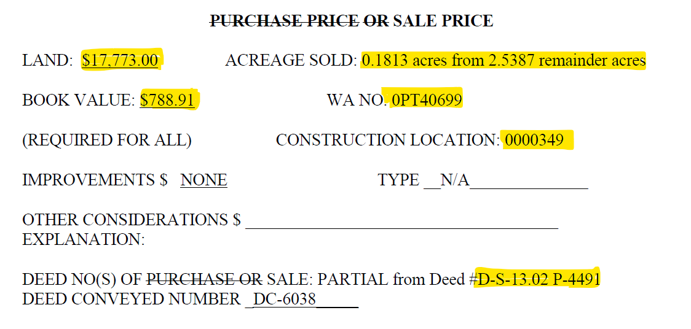
Calculation of Gain/Loss:

 |  | (17,773.00) |  | Gross Proceeds
 |  | 47.73 |  | <Removal Cost>
 |  | (17,725.27) |  | Net Proceeds
 |  | 788.91 |  | <Cost of Land Sold>
 |  | (16,936.36) |  | Gain (Neg) or Loss (Pos)

Journal Entry:

Gain if Credit

BU | DeptID | Account | EC | Project | Location | Activity | Affiliate | Amount | Reference | Description
TRN | 515660 | 1084201 | 941 | 0PT40699 | 0000 | 0000 |  | 16,936.36 |  | Gain on Sale of 0.1813 acres
TRN | 515660 | 4210100 | 000 | 0PT40699 | 0000 | 0000 |  | (16,936.36) |  | Gain on Sale of 0.1813 acres

Sale of 0.684 acres
ACREAGE SOLD: 0.684 acres from 29.36 acres

Unit | Dept | Account | EC | Project | Location | Activity | Affiliate | BU Amount | Journal ID | DelivDt-PO | Period | Year | Source Type | Sys Source | Descr
TRN | 515660 | 1070000 | 856 | 0PT45456 | 0000 | 0000 |  | (28,674.00) | 0000873623 |  | 9 | 2021 | CIAC | UJE | CIAC-Sale of Oncor Facilities
TRN | 515660 | 1070000 | 856 | 0PT45456 | 0000 | 0000 |  | 28,674.00 | 0000873623 |  | 10 | 2021 | CIAC | UJE | CIAC-Sale of Oncor Facilities

Cost of Land:

 |  |  |  |  |  |  |  |  |  |  |  |  |  |  |  |  |  |  |  |  | Deed
Unit | Asset ID | CnstrWrkLc | Descr | Account | Func code | Plant Acct | Sub Acct | Prop Unit | Descr | Trans Type | Project | Vntg Yr | Gross Amt | Net Amt | CIAC Amt | AFUDC Amt | Qty | Posted | Reference | Descr | Easement | Veh Class
TRN | 00051649 | 0000322 | Centerville-Forney | 1010201 | T R | 349 | 7000 | 0010 | FEE LAND | AD | CONVERSN | 1969 | 1,242.30 | 1,242.30 | 0 | 0.00 | 0.45 | 1969-12-01 |  | GRANTOR: EUGENE B. SMITH JR. | 004895
TRN | 00051649 | 0000322 | Centerville-Forney | 1010201 | T R | 349 | 7000 | 0010 | FEE LAND | AD | CONVERSN | 1969 | 13,610.14 | 13,610.14 | 0 | 0.00 | 4.93 | 1969-12-01 |  | GRANTOR: EUGENE B. SMITH JR. | 004895
TRN | 00051649 | 0000322 | Centerville-Forney | 1010201 | T R | 349 | 7000 | 0010 | FEE LAND | AD | CONVERSN | 1969 | 36,937.88 | 36,937.88 | 0 | 0.00 | 13.38 | 1969-12-01 |  | GRANTOR: EUGENE B. SMITH JR. | 004895
TRN | 00051649 | 0000322 | Centerville-Forney | 1010201 | T R | 349 | 7000 | 0010 | FEE LAND | AD | CONVERSN | 1969 | 7,895.56 | 7,895.56 | 0 | 0.00 | 2.86 | 1969-12-01 |  | GRANTOR: EUGENE B. SMITH JR. | 004895
TRN | 00051649 | 0000322 | Centerville-Forney | 1010201 | T R | 349 | 7000 | 0010 | FEE LAND | AD | CONVERSN | 1969 | 138.03 | 138.03 | 0 | 0.00 | 0.05 | 1969-12-01 |  | GRANTOR: EUGENE B SMITH JR. | 004895
TRN | 00051649 | 0000322 | Centerville-Forney | 1010201 | T R | 349 | 7000 | 0010 | FEE LAND | AD | CONVERSN | 1969 | 20,622.29 | 20,622.29 | 0 | 0.00 | 7.47 | 1969-12-01 |  | GRANTOR: EUGENE B SMITH JR. | 004895
TRN | 00051649 | 0000322 | Centerville-Forney | 1010201 | T R | 349 | 7000 | 0010 | FEE LAND | AD | CONVERSN | 1969 | 607.35 | 607.35 | 0 | 0.00 | 0.22 | 1969-12-01 |  | GRANTOR: EUGENE B. SMITH JR. | 004895

 |  |  |  |  |  |  |  |  |  |  |  |  |  | 81,053.55 |  | 0.00 | 29.360

 |  |  |  |  |  |  |  |  |  |  |  |  |  | 2,760.68 | Cost per Acre
 |  |  |  |  |  |  |  |  |  |  |  |  |  | 1,888.31 | Cost of Land Sold | 0.6840 | Acres

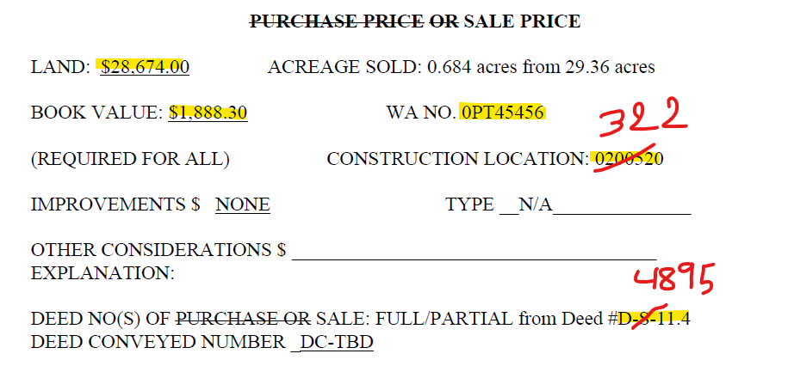
Calculation of Gain/Loss:

 |  | (28,674.00) |  | Gross Proceeds
 |  | - |  | <Removal Cost>
 |  | (28,674.00) |  | Net Proceeds
 |  | 1,888.31 |  | <Cost of Land Sold>
 |  | (26,785.69) |  | Gain (Neg) or Loss (Pos)

Journal Entry:

Gain if Credit

BU | DeptID | Account | EC | Project | Location | Activity | Affiliate | Amount | Reference | Description
TRN | 515660 | 1084201 | 941 | 0PT45456 | 0000 | 0000 |  | 26,785.69 |  | Sale of 0.684 acres
TRN | 515660 | 4210100 | 000 | 0PT45456 | 0000 | 0000 |  | (26,785.69) |  | Sale of 0.684 acres

Reclass Removal Cost from 1070000 to 1080xxx

Retire the Land Sold

Unit | Project | Asset ID | Vntg Yr | Account | Plant Acct | Prop Unit | Descr | Sub Acct | Trans Type | Qty | Gross Amt | Reference | User | Descr | AFUDC Amt | CIAC Amt | Net Amt | Posted | CnstrWrkLc
TRN | 0PT45456 | 00051649 | 1969 | 1010201 | 349 | 0010 | FEE LAND | 7000 | RT | -0.6840 | (1,888.31) | Land Sold | U6ZI | ACREAGE SOLD: 0.684 acres from 29.36 acres | 0.00 | 0.00 | (1,888.31) |  | 0000322

 |  |  |  |  |  |  |  |  |  | -0.6840 | (1,888.31)

Sale of 0.147 acres
ACREAGE SOLD: 0.147 acres from 4.63 acres

Unit | Dept | Account | EC | Project | Location | Activity | Affiliate | BU Amount | Journal ID | DelivDt-PO | Period | Year | Source Type | Sys Source | Descr
TRN | 515660 | 1070000 | 856 | 0PT46301 | 0000 | 0000 |  | (34,657.00) | 0000873623 |  | 9 | 2021 | CIAC | UJE | CIAC-Sale of Oncor Facilities
TRN | 515660 | 1070000 | 856 | 0PT46301 | 0000 | 0000 |  | 34,657.00 | 0000873623 |  | 10 | 2021 | CIAC | UJE | CIAC-Sale of Oncor Facilities

Cost of Land:

 |  |  |  |  |  |  |  |  |  |  |  |  |  |  |  |  |  |  |  |  | Deed
Unit | Asset ID | CnstrWrkLc | Descr | Account | Func code | Plant Acct | Sub Acct | Prop Unit | Descr | Trans Type | Project | Vntg Yr | Gross Amt | Net Amt | CIAC Amt | AFUDC Amt | Qty | Posted | Reference | Descr | Easement | Veh Class
TRN | 00402534 | 0300410 | West Plano-Lavon 138 Kv | 1010201 | T R | 349 | 7000 | 0010 | FEE LAND | MA |  | 1960 | 5,170.36 | 5,170.36 | 0 | 0.00 | 4.63 | 1994-12-01 |  | No comment,ECS | 2562

 |  |  |  |  |  |  |  |  |  |  |  |  |  | 5,170.36 |  | 0.00 | 4.630

 |  |  |  |  |  |  |  |  |  |  |  |  |  | 1,116.71 | Cost per Acre
 |  |  |  |  |  |  |  |  |  |  |  |  |  | 164.16 | Cost of Land Sold | 0.1470 | Acres

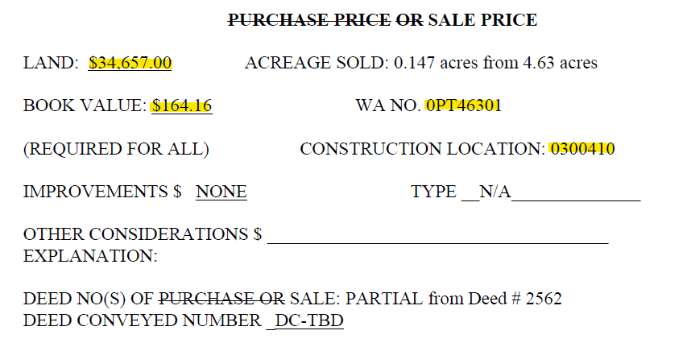
Calculation of Gain/Loss:

 |  | (34,657.00) |  | Gross Proceeds
 |  | - |  | <Removal Cost>
 |  | (34,657.00) |  | Net Proceeds
 |  | 164.16 |  | <Cost of Land Sold>
 |  | (34,492.84) |  | Gain (Neg) or Loss (Pos)

Journal Entry:

Gain if Credit

BU | DeptID | Account | EC | Project | Location | Activity | Affiliate | Amount | Reference | Description
TRN | 515660 | 1084201 | 941 | 0PT46301 | 0000 | 0000 |  | 34,492.84 |  | Sale of 0.147 acres
TRN | 515660 | 4210100 | 000 | 0PT46301 | 0000 | 0000 |  | (34,492.84) |  | Sale of 0.147 acres

Retire the Land Sold

U6ZI_PROJ_TXNS
Unit | Project | Asset ID | Vntg Yr | Account | Plant Acct | Prop Unit | Descr | Sub Acct | Trans Type | Qty | Gross Amt | Reference | User | Descr | AFUDC Amt | CIAC Amt | Net Amt | Posted | CnstrWrkLc
TRN | 0PT46301 | 00402534 | 1960 | 1010201 | 349 | 0010 | FEE LAND | 7000 | RT | -0.1470 | (164.16) | Land Sold | U6ZI | ACREAGE SOLD: 0.147 acres from 4.63 acres | 0.00 | 0.00 | (164.16) |  | 0300410

 |  |  |  |  |  |  |  |  |  | -0.1470 | (164.16)

Sale of 0.035 acres
ACREAGE SOLD: 0.035 acres from 0.70 acres

Unit | Dept | Account | EC | Project | Location | Activity | Affiliate | BU Amount | Journal ID | DelivDt-PO | Period | Year | Source Type | Sys Source | Descr
TRN | 515660 | 1070000 | 856 | 0PT46613 | 0000 | 0000 |  | (7,896.00) | BIBI965055 |  | 12 | 2021 | CIAC | BIL | CIAC-Sale of Oncor Facilities

Cost of Land:

 |  |  |  |  |  |  |  |  |  |  |  |  |  |  |  |  |  |  |  |  | Deed
Unit | Asset ID | CnstrWrkLc | Descr | Account | Func code | Plant Acct | Sub Acct | Prop Unit | Descr | Trans Type | Project | Vntg Yr | Gross Amt | Net Amt | CIAC Amt | AFUDC Amt | Qty | Posted | Reference | Descr | Easement | Veh Class
TRN | 00000378 | 0007002 | Oakhill Tap (South) 138Kv (Off | 1010201 | T R | 349 | 7000 | 0010 | FEE LAND | AD | CONVERSN | 1968 | 3,492.81 | 3,492.81 | 0 | 0.00 | 0.7 | 1968-01-01 |  | INITIAL ADD - CONVERTED FROM ID CPR | D01927

 |  |  |  |  |  |  |  |  |  |  |  |  |  | 3,492.81 |  | 0.00 | 0.700

 |  |  |  |  |  |  |  |  |  |  |  |  |  | 4,989.73 | Cost per Acre
 |  |  |  |  |  |  |  |  |  |  |  |  |  | 174.64 | Cost of Land Sold | 0.0350 | Acres

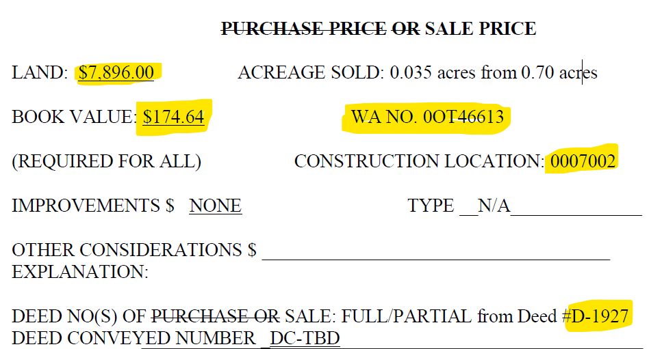
Calculation of Gain/Loss:

 |  | (7,896.00) |  | Gross Proceeds
 |  | - |  | <Removal Cost>
 |  | (7,896.00) |  | Net Proceeds
 |  | 174.64 |  | <Cost of Land Sold>
 |  | (7,721.36) |  | Gain (Neg) or Loss (Pos)

Journal Entry:

Gain if Credit

BU | DeptID | Account | EC | Project | Location | Activity | Affiliate | Amount | Reference | Description
TRN | 515660 | 1084201 | 941 | 0PT46613 | 0000 | 0000 |  | 7,721.36 |  | Sale of 0.035 acres
TRN | 515660 | 4210100 | 000 | 0PT46613 | 0000 | 0000 |  | (7,721.36) |  | Sale of 0.035 acres

Retire the Land Sold

U6ZI_PROJ_TXNS
Unit | Project | Asset ID | Vntg Yr | Account | Plant Acct | Prop Unit | Descr | Sub Acct | Trans Type | Qty | Gross Amt | Reference | User | Descr | AFUDC Amt | CIAC Amt | Net Amt | Posted | CnstrWrkLc
TRN | 0PT46613 | 00000378 | 1968 | 1010201 | 349 | 0010 | FEE LAND | 7000 | RT | -0.0350 | (174.64) | Land Sold | U6ZI | Average Sold: 0.035 acres from 0.70 acres | 0.00 | 0.00 | (174.64) |  | 0007002

 |  |  |  |  |  |  |  |  |  | -0.0350 | (174.64)

Sale of 5.4851 Acres
ACREAGE SOLD: 5.4851 acres from 43.608 acres

Unit | Dept | Account | EC | Project | Location | Activity | Affiliate | BU Amount | Journal ID | DelivDt-PO | Period | Year | Source Type | Sys Source | Descr
TRN | 572000 | 1070000 | 413 | 0PT39534 | 0000 | 0000 |  | 3,867.50 | 0000405528 |  | 5 | 2021 | MISCL | UJE | OS Legal Cost-Intrnl Legal
TRN | 572000 | 1070000 | 413 | 0PT39534 | 0000 | 0000 |  | (3,867.50) | 0000405528 |  | 6 | 2021 | MISCL | UJE | OS Legal Cost-Intrnl Legal
TRN | 572000 | 1070000 | 413 | 0PT39534 | 0000 | 0000 |  | 1,867.50 | PUR0958812 |  | 6 | 2021 | MISCL | PUR | OS Legal Cost-Intrnl Legal
TRN | 572000 | 1070000 | 413 | 0PT39534 | 0000 | 0000 |  | 3,867.50 | 0000405528 |  | 6 | 2021 | MISCL | UJE | OS Legal Cost-Intrnl Legal
TRN | 572000 | 1070000 | 870 | 0PT39534 | 0000 | 0000 |  | 158.92 | ALO0958820 |  | 6 | 2021 | INDOH | ALO | Indirect Construction Overhead
TRN | 572000 | 1070000 | 413 | 0PT39534 | 0000 | 0000 |  | 16,139.00 | 0000405528 |  | 7 | 2021 | MISCL | UJE | OS Legal Cost-Intrnl Legal
TRN | 572000 | 1070000 | 413 | 0PT39534 | 0000 | 0000 |  | (3,867.50) | 0000405528 |  | 7 | 2021 | MISCL | UJE | OS Legal Cost-Intrnl Legal
TRN | 572000 | 1070000 | 413 | 0PT39534 | 0000 | 0000 |  | (16,139.00) | 0000405528 |  | 8 | 2021 | MISCL | UJE | OS Legal Cost-Intrnl Legal
TRN | 572000 | 1070000 | 413 | 0PT39534 | 0000 | 0000 |  | 16,538.00 | 0000405528 |  | 8 | 2021 | MISCL | UJE | OS Legal Cost-Intrnl Legal
TRN | 572000 | 1070000 | 413 | 0PT39534 | 0000 | 0000 |  | 8,639.00 | PUR0960895 |  | 8 | 2021 | MISCL | PUR | OS Legal Cost-Intrnl Legal
TRN | 572000 | 1070000 | 870 | 0PT39534 | 0000 | 0000 |  | 695.44 | ALO0961007 |  | 8 | 2021 | INDOH | ALO | Indirect Construction Overhead
TRN | 515660 | 1070000 | 302 | 0PT39534 | 0000 | 0000 |  | 56.35 | XPR0949657 |  | 9 | 2020 | MISCL | PUR | Personal Vehicles (Mileage Onl
TRN | 515660 | 1070000 | 870 | 0PT39534 | 0000 | 0000 |  | 3.62 | ALO0949701 |  | 9 | 2020 | INDOH | ALO | Indirect Construction Overhead
TRN | 572000 | 1070000 | 413 | 0PT39534 | 0000 | 0000 |  | 22,399.70 | 0000405528 |  | 9 | 2021 | MISCL | UJE | OS Legal Cost-Intrnl Legal
TRN | 572000 | 1070000 | 413 | 0PT39534 | 0000 | 0000 |  | (16,538.00) | 0000405528 |  | 9 | 2021 | MISCL | UJE | OS Legal Cost-Intrnl Legal
TRN | 572000 | 1070000 | 413 | 0PT39534 | 0000 | 0000 |  | 27,840.61 | 0000405528 |  | 10 | 2021 | MISCL | UJE | OS Legal Cost-Intrnl Legal
TRN | 572000 | 1070000 | 413 | 0PT39534 | 0000 | 0000 |  | (22,399.70) | 0000405528 |  | 10 | 2021 | MISCL | UJE | OS Legal Cost-Intrnl Legal
TRN | 572000 | 1070000 | 413 | 0PT39534 | 0000 | 0000 |  | 12,602.37 | 0000405528 |  | 11 | 2021 | MISCL | UJE | OS Legal Cost-Intrnl Legal
TRN | 572000 | 1070000 | 413 | 0PT39534 | 0000 | 0000 |  | 5,940.91 | PUR0964481 |  | 11 | 2021 | MISCL | PUR | OS Legal Cost-Intrnl Legal
TRN | 572000 | 1070000 | 413 | 0PT39534 | 0000 | 0000 |  | 16,899.70 | PUR0964421 |  | 11 | 2021 | MISCL | PUR | OS Legal Cost-Intrnl Legal
TRN | 572000 | 1070000 | 413 | 0PT39534 | 0000 | 0000 |  | (27,840.61) | 0000405528 |  | 11 | 2021 | MISCL | UJE | OS Legal Cost-Intrnl Legal
TRN | 572000 | 1070000 | 870 | 0PT39534 | 0000 | 0000 |  | 2,032.81 | ALO0964508 |  | 11 | 2021 | INDOH | ALO | Indirect Construction Overhead
TRN | 572000 | 1070000 | 413 | 0PT39534 | 0000 | 0000 |  | (12,602.37) | 0000405528 |  | 12 | 2021 | MISCL | UJE | OS Legal Cost-Intrnl Legal
TRN | 572000 | 1070000 | 413 | 0PT39534 | 0000 | 0000 |  | 6,302.37 | PUR0965293 |  | 12 | 2021 | MISCL | PUR | OS Legal Cost-Intrnl Legal
TRN | 572000 | 1070000 | 870 | 0PT39534 | 0000 | 0000 |  | 599.99 | ALO0965786 |  | 12 | 2021 | INDOH | ALO | Indirect Construction Overhead
TRN | 572000 | 1070000 | 413 | 0PT39534 | 0000 | 0000 |  | 796.80 | 0000405528 |  | 12 | 2021 | MISCL | UJE | OS Legal Cost-Intrnl Legal
TRN | 515660 | 1070000 | 856 | 0PT39534 | 0000 | 0000 |  | (39,623.00) | 0000873623 |  | 12 | 2021 | CIAC | UJE | CIAC-Sale of Oncor Facilities
TRN | 572000 | 1070000 | 413 | 0PT39534 | 0000 | 0000 |  | (796.80) | 0000405528 |  | 1 | 2022 | MISCL | UJE | OS Legal Cost-Intrnl Legal
TRN | 515660 | 1070000 | 856 | 0PT39534 | 0000 | 0000 |  | 39,623.00 | 0000873623 |  | 1 | 2022 | CIAC | UJE | CIAC-Sale of Oncor Facilities

Cost of Land:

 |  |  |  |  |  |  |  |  |  |  |  |  |  |  |  |  |  |  |  |  | Deed
Unit | Asset ID | CnstrWrkLc | Descr | Account | Func code | Plant Acct | Sub Acct | Prop Unit | Descr | Trans Type | Project | Vntg Yr | Gross Amt | Net Amt | CIAC Amt | AFUDC Amt | Qty | Posted | Reference | Descr | Easement | Veh Class
TRN | 00403392 | 0100524 | Jewett-Tricorner | 1010201 | T R | 349 | 7000 | 0010 | FEE LAND | MA |  | 1962 | 0.00 | 0.00 | 0 | 0.00 | 2.015 | 2019-05-31 |  | CORRECT ACREAGE TO MATCH DEED | 2486
TRN | 00403392 | 0100524 | Jewett-Tricorner | 1010201 | T R | 349 | 7000 | 0010 | FEE LAND | MA |  | 1962 | 521.17 | 521.17 | 0 | 0.00 | 0.948 | 1995-01-01 |  | No comment,ECS | 2486
TRN | 00403393 | 0100524 | Jewett-Tricorner | 1010201 | T R | 349 | 7000 | 0010 | FEE LAND | MA |  | 1964 | 0.00 | 0.00 | 0 | 0.00 | 2.607 | 2019-05-31 |  | CORRECT ACREAGE TO MATCH DEED | 2920
TRN | 00403393 | 0100524 | Jewett-Tricorner | 1010201 | T R | 349 | 7000 | 0010 | FEE LAND | MA |  | 1964 | 676.75 | 676.75 | 0 | 0.00 | 1.231 | 1995-01-01 |  | No comment,ECS | 2920
TRN | 00403395 | 0100524 | Jewett-Tricorner | 1010201 | T R | 349 | 7000 | 0010 | FEE LAND | MA |  | 1964 | 0.00 | 0.00 | 0 | 0.00 | 18.252 | 2019-05-31 |  | CORRECT ACREAGE TO MATCH DEED | 2930
TRN | 00403395 | 0100524 | Jewett-Tricorner | 1010201 | T R | 349 | 7000 | 0010 | FEE LAND | MA |  | 1964 | 4,351.14 | 4,351.14 | 0 | 0.00 | 8.011 | 1995-01-01 |  | No comment,ECS | 2930
TRN | 00403394 | 0100524 | Jewett-Tricorner | 1010201 | T R | 349 | 7000 | 0010 | FEE LAND | MA |  | 1964 | 2,303.18 | 2,303.18 | 0 | 0.00 | 3.578 | 1995-01-01 |  | No comment,ECS | 2933
TRN | 00403394 | 0100524 | Jewett-Tricorner | 1010201 | T R | 349 | 7000 | 0010 | FEE LAND | MA |  | 1964 | 0.00 | 0.00 | 0 | 0.00 | 6.966 | 2019-05-31 |  | CORRECT ACREAGE TO MATCH DEED | 2933

 |  |  |  |  |  |  |  |  |  |  |  |  |  | 7,852.24 |  | 0.00 | 43.608

 |  |  |  |  |  |  |  |  |  |  |  |  |  | 180.06 | Cost per Acre
 |  |  |  |  |  |  |  |  |  |  |  |  |  | 987.65 | Cost of Land Sold | 5.4851 | Acres

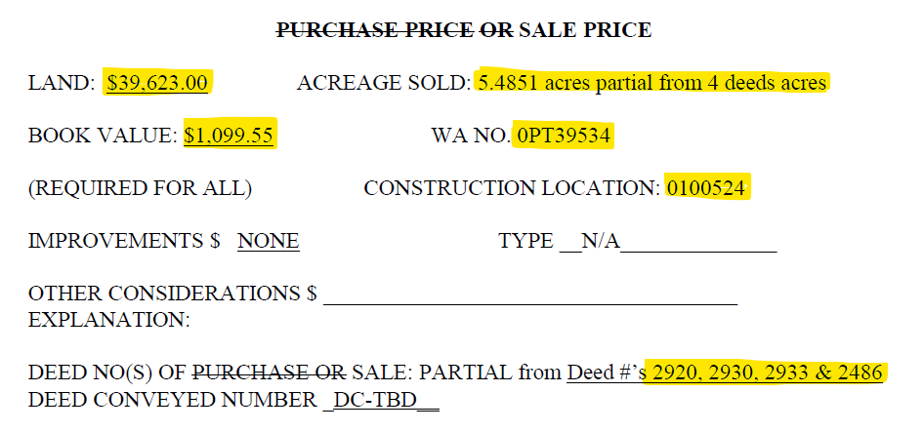
Calculation of Gain/Loss:

 |  | (39,623.00) |  | Gross Proceeds
 |  | 43,993.41 |  | <Removal Cost>
 |  | 4,370.41 |  | Net Proceeds
 |  | 1,099.55 |  | <Cost of Land Sold>
 |  | 5,469.96 |  | Gain (Neg) or Loss (Pos)

Journal Entry:

Loss if Debit

BU | DeptID | Account | EC | Project | Location | Activity | Affiliate | Amount | Reference | Description
TRN | 572000 | 4210200 | 000 | 0PT39534 | 0000 | 0000 |  | 5,469.96 |  | Loss on Sale of 5.4851 Acres
TRN | 572000 | 1084201 | 941 | 0PT39534 | 0000 | 0000 |  | (5,469.96) |  | Loss on Sale of 5.4851 Acres

Reclass Removal Cost from 1070000 to 1080xxx

BU | DeptID | Account | EC | Project | Location | Activity | Affiliate | Amount | Reference | Description
TRN | 572000 | 1070000 | 413 | 0PT39534 | 0000 | 0000 |  | (1,867.50) | PUR0958812 | Reclass Removal Costs
TRN | 572000 | 1070000 | 870 | 0PT39534 | 0000 | 0000 |  | (158.92) | ALO0958820 | Reclass Removal Costs
TRN | 572000 | 1070000 | 413 | 0PT39534 | 0000 | 0000 |  | (8,639.00) | PUR0960895 | Reclass Removal Costs
TRN | 572000 | 1070000 | 870 | 0PT39534 | 0000 | 0000 |  | (695.44) | ALO0961007 | Reclass Removal Costs
TRN | 515660 | 1070000 | 302 | 0PT39534 | 0000 | 0000 |  | (56.35) | XPR0949657 | Reclass Removal Costs
TRN | 515660 | 1070000 | 870 | 0PT39534 | 0000 | 0000 |  | (3.62) | ALO0949701 | Reclass Removal Costs
TRN | 572000 | 1070000 | 413 | 0PT39534 | 0000 | 0000 |  | (5,940.91) | PUR0964481 | Reclass Removal Costs
TRN | 572000 | 1070000 | 413 | 0PT39534 | 0000 | 0000 |  | (16,899.70) | PUR0964421 | Reclass Removal Costs
TRN | 572000 | 1070000 | 870 | 0PT39534 | 0000 | 0000 |  | (2,032.81) | ALO0964508 | Reclass Removal Costs
TRN | 572000 | 1070000 | 413 | 0PT39534 | 0000 | 0000 |  | (6,302.37) | PUR0965293 | Reclass Removal Costs
TRN | 572000 | 1070000 | 870 | 0PT39534 | 0000 | 0000 |  | (599.99) | ALO0965786 | Reclass Removal Costs
TRN | 572000 | 1070000 | 413 | 0PT39534 | 0000 | 0000 |  | (796.80) | 0000405528 | Reclass Removal Costs
TRN | 572000 | 1080201 | 413 | 0PT39534 | 0000 | 0000 |  | 1,867.50 | PUR0958812 | Reclass Removal Costs
TRN | 572000 | 1080201 | 870 | 0PT39534 | 0000 | 0000 |  | 158.92 | ALO0958820 | Reclass Removal Costs
TRN | 572000 | 1080201 | 413 | 0PT39534 | 0000 | 0000 |  | 8,639.00 | PUR0960895 | Reclass Removal Costs
TRN | 572000 | 1080201 | 870 | 0PT39534 | 0000 | 0000 |  | 695.44 | ALO0961007 | Reclass Removal Costs
TRN | 515660 | 1080201 | 302 | 0PT39534 | 0000 | 0000 |  | 56.35 | XPR0949657 | Reclass Removal Costs
TRN | 515660 | 1080201 | 870 | 0PT39534 | 0000 | 0000 |  | 3.62 | ALO0949701 | Reclass Removal Costs
TRN | 572000 | 1080201 | 413 | 0PT39534 | 0000 | 0000 |  | 5,940.91 | PUR0964481 | Reclass Removal Costs
TRN | 572000 | 1080201 | 413 | 0PT39534 | 0000 | 0000 |  | 16,899.70 | PUR0964421 | Reclass Removal Costs
TRN | 572000 | 1080201 | 870 | 0PT39534 | 0000 | 0000 |  | 2,032.81 | ALO0964508 | Reclass Removal Costs
TRN | 572000 | 1080201 | 413 | 0PT39534 | 0000 | 0000 |  | 6,302.37 | PUR0965293 | Reclass Removal Costs
TRN | 572000 | 1080201 | 870 | 0PT39534 | 0000 | 0000 |  | 599.99 | ALO0965786 | Reclass Removal Costs
TRN | 572000 | 1080201 | 413 | 0PT39534 | 0000 | 0000 |  | 796.80 | 0000405528 | Reclass Removal Costs

Retire the Land Sold

Unit | Project | Asset ID | Vntg Yr | Account | Plant Acct | Prop Unit | Descr | Sub Acct | Trans Type | Qty | Gross Amt | Reference | User | Descr | AFUDC Amt | CIAC Amt | Net Amt | Posted | CnstrWrkLc
TRN | 0PT39534 | 00403392 | 1962 | 1010201 | 349 | 0010 | FEE LAND | 7000 | RT | -0.2003 | (35.23) | Land Sold | U6ZI | ACREAGE SOLD: 0.2003 acres from 2.9630 acres | 0.00 | 0.00 | (35.23) |  | 0100524
TRN | 0PT39534 | 00403393 | 1964 | 1010201 | 349 | 0010 | FEE LAND | 7000 | RT | -1.5171 | (267.51) | Land Sold | U6ZI | ACREAGE SOLD: 1.5171 acres from 3.8380 acres | 0.00 | 0.00 | (267.51) |  | 0100524
TRN | 0PT39534 | 00403394 | 1964 | 1010201 | 349 | 0010 | FEE LAND | 7000 | RT | -3.2714 | (714.59) | Land Sold | U6ZI | ACREAGE SOLD: 3.2714 acres from 10.5440 acres | 0.00 | 0.00 | (714.59) |  | 0100524
TRN | 0PT39534 | 00403395 | 1964 | 1010201 | 349 | 0010 | FEE LAND | 7000 | RT | -0.4963 | (82.22) | Land Sold | U6ZI | ACREAGE SOLD: 0.4963 acres from 26.263 acres | 0.00 | 0.00 | (82.22) |  | 0100524

 |  |  |  |  |  |  |  |  |  | -5.4851 | (1,099.55)

Sale of 0.0209 acres
ACREAGE SOLD: 0.0209 acres

Unit | Dept | Account | EC | Project | Location | Activity | Affiliate | BU Amount | Journal ID | DelivDt-PO | Period | Year | Source Type | Sys Source | Descr
TRN | 515660 | 1070000 | 856 | 0PT43611 | 0000 | 0000 |  | (4,568.00) | 0000873623 |  | 6 | 2021 | CIAC | UJE | CIAC-Sale of Oncor Facilities
TRN | 515521 | 1070000 | 856 | 0PT43611 | 0000 | 0000 |  | (4,568.00) | BIBI959087 |  | 7 | 2021 | CIAC | BIL | CIAC-Sale of Oncor Facilities
TRN | 515660 | 1070000 | 856 | 0PT43611 | 0000 | 0000 |  | 4,568.00 | 0000873623 |  | 7 | 2021 | CIAC | UJE | CIAC-Sale of Oncor Facilities

Cost of Land:

 |  |  |  |  |  |  |  |  |  |  |  |  |  |  |  |  |  |  |  |  | Deed
Unit | Asset ID | CnstrWrkLc | Descr | Account | Func code | Plant Acct | Sub Acct | Prop Unit | Descr | Trans Type | Project | Vntg Yr | Gross Amt | Net Amt | CIAC Amt | AFUDC Amt | Qty | Posted | Reference | Descr | Easement | Veh Class
TRN | 00607057 | 0101611 | Rockwall, East 138KV | 1010311 | DSR | 374 | 7000 | 0010 | Land in fee | AD | 02T80003 | 2004 | 162,179.42 | 162,179.42 | 0 | 11,986.58 | 4 | 2004-09-30 |  | BATCH UNITIZATION | 5412
TRN | 00607057 | 0101611 | Rockwall, East 138KV | 1010311 | DSR | 374 | 7000 | 0010 | Land in fee | MA |  | 2004 | 0.00 | 0.00 | 0 | 0.00 | 0.461 | 2020-06-30 |  | ADJ ACREAGE TO MATCH SURVEY | 5412
TRN | 00607057 | 0101611 | Rockwall, East 138KV | 1010311 | DSR | 374 | 7000 | 0010 | Land in fee | SA | 02T80003 | 2004 | 4,490.81 | 4,490.81 | 0 | 8,981.62 | 0 | 2004-12-31 |  | BATCH UNITIZATION | 5412

 |  |  |  |  |  |  |  |  |  |  |  |  |  | 166,670.23 |  | 20,968.20 | 4.461

 |  |  |  |  |  |  |  |  |  |  |  |  |  | 37,361.63 | Cost per Acre
 |  |  |  |  |  |  |  |  |  |  |  |  |  | 780.86 | Cost of Land Sold | 0.0209 | Acres

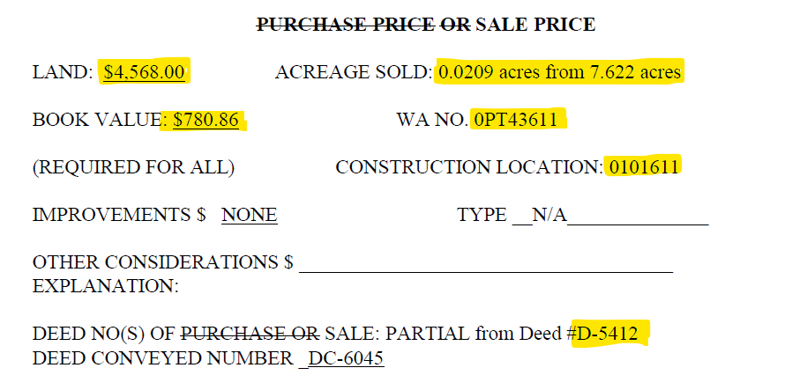
Calculation of Gain/Loss:
 |  |  |  |  |  |  |  | Allocation % from WP II-1_09 FERC 362 for Location 0101611

 |  | (4,568.00) |  | Gross Proceeds |  |  |  | TRAN % | DIST % | TRN | DIST
 |  | - |  | <Removal Cost> |  |  |  | 0.147822796 | 0.852177204 | (560) | (3,227)
 |  | (4,568.00) |  | Net Proceeds
 |  | 780.86 |  | <Cost of Land Sold>
 |  | (3,787.14) |  | Gain (Neg) or Loss (Pos)

Journal Entry:

Gain if Credit

BU | DeptID | Account | EC | Project | Location | Activity | Affiliate | Amount | Reference | Description
TRN | 515521 | 1084311 | 941 | 0PT43611 | 0000 | 0000 |  | 3,787.14 |  | Gain on Sale of 0.0209 acres
TRN | 515521 | 4210100 | 000 | 0PT43611 | 0000 | 0000 |  | (3,787.14) |  | Gain on Sale of 0.0209 acres

Reclass Removal Cost from 1070000 to 1080xxx

Retire the Land Sold

Unit | Project | Asset ID | Vntg Yr | Account | Plant Acct | Prop Unit | Descr | Sub Acct | Trans Type | Qty | Gross Amt | Reference | User | Descr | AFUDC Amt | CIAC Amt | Net Amt | Posted | CnstrWrkLc
TRN | 0PT43611 | 00607057 | 2004 | 1010311 | 374 | 0010 | Land in fee | 7000 | RT | -0.0209 | (780.86) | Land Sold | U6ZI | Acreage sold 0.0209 from 4.461 acres | (98.24) | 0.00 | (780.86) |  | 0101611

